Discriminant
Discriminant
Group Statistics
Cluster digital skills |  | Valid N (listwise)
 |  | Unweighted | Weighted
Cluster skills: Low | Sex: Man | 477 | 477.000
 | Age (scale) | 477 | 477.000
 | Studies: High school or less | 477 | 477.000
 | Good economic situation | 477 | 477.000
 | Income: over 50k | 477 | 477.000
 | Habitat:rural areas | 477 | 477.000
 | Expense: under £50 every month | 477 | 477.000
 | Can use home broadband to access to the Internet | 477 | 477.000
 | Fmotiv1 - Motivation and ease using digital technologies | 477 | 477.000
 | Puntuación Z: Confi1: How confident do you feel using the internet on your own? | 477 | 477.000
 | Puntuación Z(NQ27) Number of digital devices | 477 | 477.000
 | Fdev1 - Other devices (tablet, smartwatch, TV) | 477 | 477.000
 | Fdev2 - Computer | 477 | 477.000
 | Fdev3 - Smartphone | 477 | 477.000
 | Puntuación Z: Number of uses | 477 | 477.000
 | Fuse1 - Administrative and institucional uses | 477 | 477.000
 | Fuse2 - Gaming and gambling | 477 | 477.000
 | Fuse3 - Consume, payments and shopping | 477 | 477.000
 | Fuse4 - Proffessional (work, study) | 477 | 477.000
 | Fuse5 - Social and leisure | 477 | 477.000
Cluster skills: Average | Sex: Man | 547 | 547.000
 | Age (scale) | 547 | 547.000
 | Studies: High school or less | 547 | 547.000
 | Good economic situation | 547 | 547.000
 | Income: over 50k | 547 | 547.000
 | Habitat:rural areas | 547 | 547.000
 | Expense: under £50 every month | 547 | 547.000
 | Can use home broadband to access to the Internet | 547 | 547.000
 | Fmotiv1 - Motivation and ease using digital technologies | 547 | 547.000
 | Puntuación Z: Confi1: How confident do you feel using the internet on your own? | 547 | 547.000
 | Puntuación Z(NQ27) Number of digital devices | 547 | 547.000
 | Fdev1 - Other devices (tablet, smartwatch, TV) | 547 | 547.000
 | Fdev2 - Computer | 547 | 547.000
 | Fdev3 - Smartphone | 547 | 547.000
 | Puntuación Z: Number of uses | 547 | 547.000
 | Fuse1 - Administrative and institucional uses | 547 | 547.000
 | Fuse2 - Gaming and gambling | 547 | 547.000
 | Fuse3 - Consume, payments and shopping | 547 | 547.000
 | Fuse4 - Proffessional (work, study) | 547 | 547.000
 | Fuse5 - Social and leisure | 547 | 547.000
Cluster skills: High | Sex: Man | 980 | 980.000
 | Age (scale) | 980 | 980.000
 | Studies: High school or less | 980 | 980.000
 | Good economic situation | 980 | 980.000
 | Income: over 50k | 980 | 980.000
 | Habitat:rural areas | 980 | 980.000
 | Expense: under £50 every month | 980 | 980.000
 | Can use home broadband to access to the Internet | 980 | 980.000
 | Fmotiv1 - Motivation and ease using digital technologies | 980 | 980.000
 | Puntuación Z: Confi1: How confident do you feel using the internet on your own? | 980 | 980.000
 | Puntuación Z(NQ27) Number of digital devices | 980 | 980.000
 | Fdev1 - Other devices (tablet, smartwatch, TV) | 980 | 980.000
 | Fdev2 - Computer | 980 | 980.000
 | Fdev3 - Smartphone | 980 | 980.000
 | Puntuación Z: Number of uses | 980 | 980.000
 | Fuse1 - Administrative and institucional uses | 980 | 980.000
 | Fuse2 - Gaming and gambling | 980 | 980.000
 | Fuse3 - Consume, payments and shopping | 980 | 980.000
 | Fuse4 - Proffessional (work, study) | 980 | 980.000
 | Fuse5 - Social and leisure | 980 | 980.000
Total | Sex: Man | 2004 | 2004.000
 | Age (scale) | 2004 | 2004.000
 | Studies: High school or less | 2004 | 2004.000
 | Good economic situation | 2004 | 2004.000
 | Income: over 50k | 2004 | 2004.000
 | Habitat:rural areas | 2004 | 2004.000
 | Expense: under £50 every month | 2004 | 2004.000
 | Can use home broadband to access to the Internet | 2004 | 2004.000
 | Fmotiv1 - Motivation and ease using digital technologies | 2004 | 2004.000
 | Puntuación Z: Confi1: How confident do you feel using the internet on your own? | 2004 | 2004.000
 | Puntuación Z(NQ27) Number of digital devices | 2004 | 2004.000
 | Fdev1 - Other devices (tablet, smartwatch, TV) | 2004 | 2004.000
 | Fdev2 - Computer | 2004 | 2004.000
 | Fdev3 - Smartphone | 2004 | 2004.000
 | Puntuación Z: Number of uses | 2004 | 2004.000
 | Fuse1 - Administrative and institucional uses | 2004 | 2004.000
 | Fuse2 - Gaming and gambling | 2004 | 2004.000
 | Fuse3 - Consume, payments and shopping | 2004 | 2004.000
 | Fuse4 - Proffessional (work, study) | 2004 | 2004.000
 | Fuse5 - Social and leisure | 2004 | 2004.000

Analysis 1

Box's Test of Equality of Covariance Matrices

Log Determinants
Cluster digital skills | Rank | Log Determinant
Cluster skills: Low | 20 | -12.752
Cluster skills: Average | 20 | -15.859
Cluster skills: High | 20 | -19.160
Pooled within-groups | 20 | -15.398
The ranks and natural logarithms of determinants printed are those of the group covariance matrices.

Test Results
Box's M |  | 2674.996
F | Approx. | 6.272
 | df1 | 420
 | df2 | 6232024.714
 | Sig. | 0.000
Tests null hypothesis of equal population covariance matrices.

Summary of Canonical Discriminant Functions

Eigenvalues
Function | Eigenvalue | % of Variance | Cumulative % | Canonical Correlation
1 | 1,588a | 98.4 | 98.4 | 0.783
2 | ,025a | 1.6 | 100.0 | 0.158
a. First 2 canonical discriminant functions were used in the analysis.

Wilks' Lambda
Test of Function(s) | Wilks' Lambda | Chi-square | df | Sig.
1 through 2 | 0.377 | 1943.820 | 40 | 0.000
2 | 0.975 | 50.136 | 19 | 0.000

Standardized Canonical Discriminant Function Coefficients
 | Function
 | 1 | 2
Sex: Man | -0.109 | -0.032
Age (scale) | 0.035 | -0.203
Studies: High school or less | -0.030 | 0.083
Good economic situation | -0.004 | 0.446
Income: over 50k | 0.057 | 0.155
Habitat:rural areas | 0.014 | 0.068
Expense: under £50 every month | -0.021 | -0.100
Can use home broadband to access to the Internet | 0.109 | 0.124
Fmotiv1 - Motivation and ease using digital technologies | 0.640 | 0.431
Puntuación Z: Confi1: How confident do you feel using the internet on your own? | 0.627 | -0.173
Puntuación Z(NQ27) Number of digital devices | -0.010 | 0.008
Fdev1 - Other devices (tablet, smartwatch, TV) | -0.136 | 0.381
Fdev2 - Computer | -0.025 | 0.117
Fdev3 - Smartphone | 0.028 | -0.035
Puntuación Z: Number of uses | -0.078 | -0.619
Fuse1 - Administrative and institucional uses | 0.091 | 0.540
Fuse2 - Gaming and gambling | 0.050 | 0.169
Fuse3 - Consume, payments and shopping | 0.213 | -0.181
Fuse4 - Proffessional (work, study) | 0.026 | 0.044
Fuse5 - Social and leisure | 0.145 | 0.135

Structure Matrix
 | Function
 | 1 | 2
Puntuación Z: Confi1: How confident do you feel using the internet on your own? | ,682* | -0.143
Fmotiv1 - Motivation and ease using digital technologies | ,680* | 0.359
Puntuación Z: Number of uses | ,244* | -0.155
Fdev3 - Smartphone | ,209* | -0.064
Can use home broadband to access to the Internet | ,209* | 0.037
Fuse5 - Social and leisure | ,181* | -0.043
Sex: Man | -,087* | 0.064
Fuse2 - Gaming and gambling | ,059* | -0.022
Good economic situation | 0.001 | ,501*
Fdev1 - Other devices (tablet, smartwatch, TV) | -0.106 | ,499*
Fuse3 - Consume, payments and shopping | 0.301 | -,445*
Puntuación Z(NQ27) Number of digital devices | -0.056 | ,423*
Income: over 50k | 0.040 | ,279*
Expense: under £50 every month | -0.011 | -,219*
Fuse1 - Administrative and institucional uses | 0.040 | ,205*
Age (scale) | 0.051 | -,198*
Fdev2 - Computer | -0.022 | ,161*
Fuse4 - Proffessional (work, study) | 0.015 | -,041*
Studies: High school or less | -0.031 | -,033*
Habitat:rural areas | 0.015 | ,027*
Pooled within-groups correlations between discriminating variables and standardized canonical discriminant functions Variables ordered by absolute size of correlation within function.
*. Largest absolute correlation between each variable and any discriminant function

Functions at Group Centroids
Cluster digital skills | Function
 | 1 | 2
Cluster skills: Low | -2.127 | 0.094
Cluster skills: Average | 0.029 | -0.260
Cluster skills: High | 1.019 | 0.100
Unstandardized canonical discriminant functions evaluated at group means

Classification Statistics

Classification Processing Summary
Processed |  | 2004
Excluded | Missing or out-of-range group codes | 0
 | At least one missing discriminating variable | 0
Used in Output |  | 2004

Prior Probabilities for Groups
Cluster digital skills | Prior | Cases Used in Analysis
 |  | Unweighted | Weighted
Cluster skills: Low | 0.333 | 477 | 477.000
Cluster skills: Average | 0.333 | 547 | 547.000
Cluster skills: High | 0.333 | 980 | 980.000
Total | 1.000 | 2004 | 2004.000

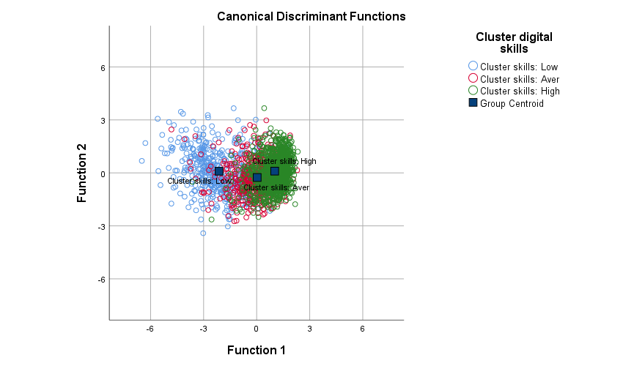
Classification Resultsa
Cluster digital skills |  |  | Predicted Group Membership |  |  | Total
 |  |  | Cluster skills: Low | Cluster skills: Average | Cluster skills: High
Original | Count | Cluster skills: Low | 365 | 95 | 17 | 477
 |  | Cluster skills: Average | 71 | 291 | 185 | 547
 |  | Cluster skills: High | 11 | 204 | 765 | 980
 | % | Cluster skills: Low | 76.5 | 19.9 | 3.6 | 100.0
 |  | Cluster skills: Average | 13.0 | 53.2 | 33.8 | 100.0
 |  | Cluster skills: High | 1.1 | 20.8 | 78.1 | 100.0
a. 70,9% of original grouped cases correctly classified.

