Figure3
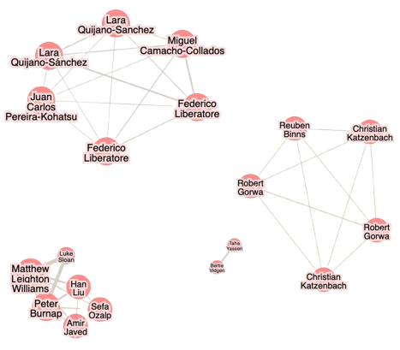
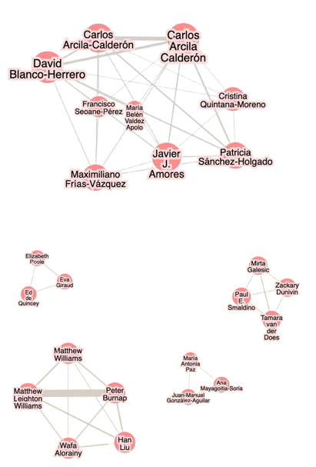
Network of nodes of the most cited authors | Network of nodes of the most prolific authors

