Data set description
Dataset Description
This dataset contains the empirical material used to analyse municipal digital communication systems within the Spanish Network of Age-Friendly Cities and Communities.
Each case represents a municipal digital ecosystem centred on the institutional website and its associated information structures. The dataset includes 20 municipalities and was collected between January and February 2026 through a structured content analysis.
Variables are organised into four analytical dimensions: digital residual (RD), communicative noise (FR), cognitive accessibility (AC), and orientation to older adults (ACC, DOC, CO). These dimensions capture both structural inefficiencies and communicative capacities in municipal information systems.
Based on these variables, four composite indices are constructed: Residual Digital Index (RDI), Noise Index (RI), Cognitive Accessibility Score (ACS), and Orientation Score (OS). All indices are defined as formative composite indicators and computed as non-weighted means after rescaling variables to a [0–1] range.
The dataset is designed to support reproducible research and is accompanied by the full codebook and SPSS syntax used for index construction.
Users are encouraged to cite the dataset DOI when reusing this material.

Codebook- SP
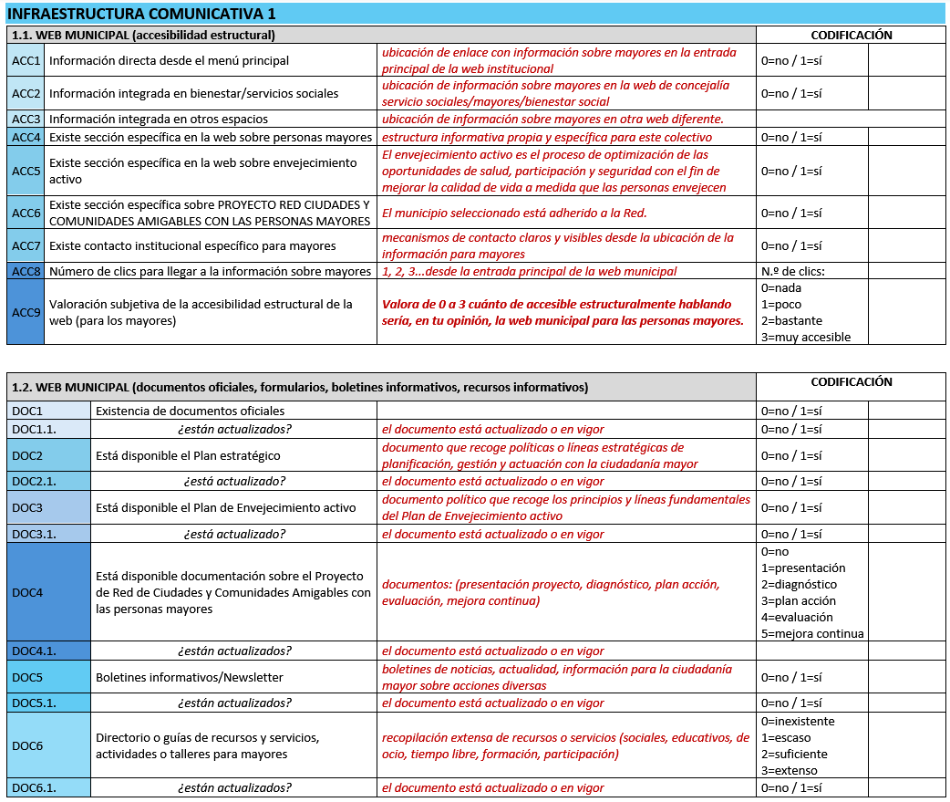

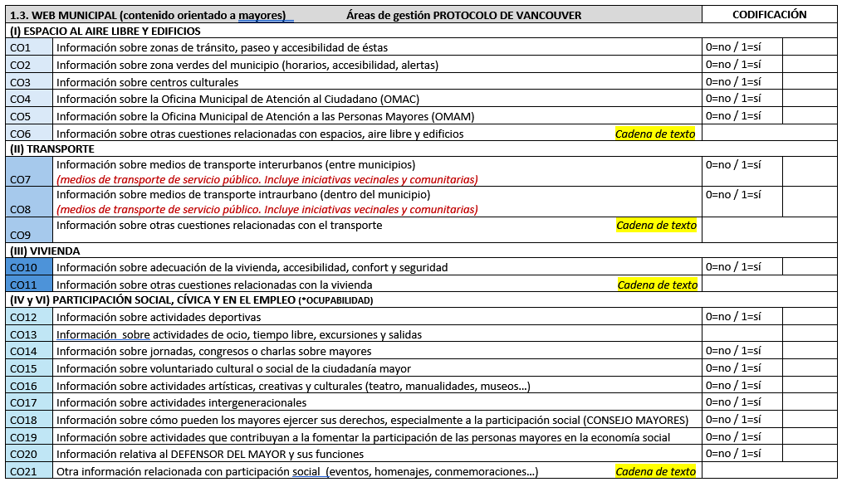

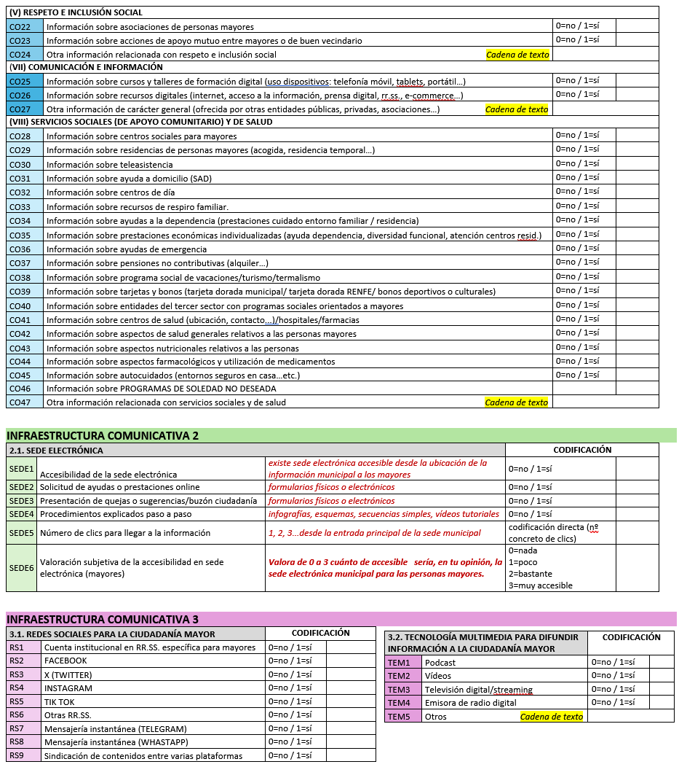

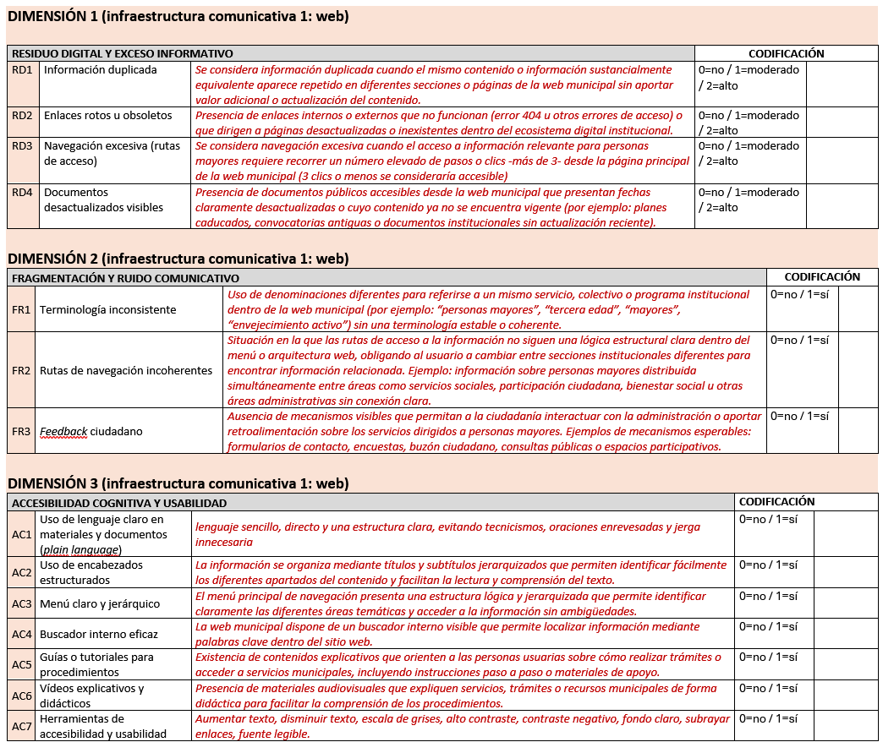

Indexes
Construction of composite indices
General formulation
Composite indices are constructed as the arithmetic mean of a set of normalised indicators:
$$I_{d}=\frac{1}{n_{d}}\sum_{i=1}^{n_{d}}{x_{di}^{∗}}$$
where:
$I_{d}$denotes the composite index for dimension $d$
$n_{d}$is the number of indicators included in that dimension
$x_{di}^{∗}$is the normalised value of indicator $i$, rescaled to the interval $\left[0 , 1\right]$
Residual Digital Index (RDI)
$$RDI=\frac{1}{4}\left(RD1^{∗} + RD2^{∗} + RD3^{∗} + RD4^{∗}\right)$$
The RDI captures structural inefficiency associated with redundancy, outdated information, and excessive navigational complexity.
Noise Index (RI)
$$RI=\frac{1}{3}\left(FR1 + FR2 + FR3\right)$$
The RI measures communicative fragmentation and inconsistency across channels.
Cognitive Accessibility Score (ACS)
$$ACS=\frac{1}{8}\left(AC1 + AC2 + AC3 + AC4 + AC5 + AC6 + AC7 + ACC9^{∗}\right)$$
The ACS captures the system’s capacity to support comprehension, orientation, and navigation. It combines structural accessibility features (AC1–AC7) with a subjective assessment of accessibility (ACC9).
Orientation Score (OS)
$$OS=\frac{1}{59}\sum_{j=1}^{59}{z_{j}^{∗}}$$
where $z_{j}$includes:
ACC1–ACC7 (communicative infrastructure)
DOC1–DOC6 (institutional documentation)
CO1–CO46 (content aligned with age-friendly domains)
The OS captures institutional orientation towards older adults, integrating visibility, policy commitment, and substantive content provision.
Normalisation procedure
To ensure comparability across heterogeneous measurement scales, all indicators are rescaled to the interval $\left[0 , 1\right]$:
$$x^{∗}=\left\{\begin{matrix}x & \text{if} x∈\{0,1\} \\ \frac{x}{k} & \text{if} x \text{is} \text{ordinal} \text{in} \text{the} \text{range} (0…k)\end{matrix}\right.$$
Ordinal variables (e.g., 0–2, 0–3) are linearly transformed
Count variables (e.g., number of clicks) are recoded into ordinal categories prior to normalisation
Open-ended variables are excluded from index construction
Direction of indices
The indices differ in their semantic orientation:
RDI and RI → higher values indicate greater communicative dysfunction
ACS and OS → higher values indicate better communicative conditions
Aggregation criteria
All indices are computed using equal weighting (simple mean), justified by:
the exploratory nature of the study
the absence of empirical evidence supporting alternative weighting schemes
the need to avoid arbitrary weighting decisions
This approach follows established guidelines for composite indicator construction.

Figures
